모델정의
카피원본 | 번호 | 모델 패턴 | 속성개요 | 모델 알고리즘 | 모델 학습일수 | 모델 학습간격 | 실행 투표방식 | 실행 기간
 | 0001 | nopattern | narion3rate | bayes | 730 | 30 | 1and2and3 | 20180101~20191020
 | 0002 | alevelcount | narion3rate | bayes | 730 | 30 | 1and2and3 | 20180101~20191020
 | 0003 | nopattern | entry | bayes | 730 | 30 | 1and2and3 | 20180101~20191020
 | 0005 | jyocd | entry | bayes | 1460 | 30 | 1and2and3 | 20180101~20191020
 | 0006 | turn | entry | bayes | 1460 | 30 | 1and2and3 | 20180101~20191020
 | 0007 | turn+alevelcnt | entry | bayes | 1825 | 30 | 1and2and3 | 20180101~20191020
0002 | 0008 | jyocd | narion3rate | bayes | 1460 | 30 | 1and2and3 | 20180101~20191020
0008 | 0009 | turn | narion3rate | bayes | 1460 | 30 | 1and2and3 | 20180101~20191020
0009 | 0010 | turn+alevelcnt | narion3rate | bayes | 1825 | 30 | 1and2and3 | 20180101~20191020
0007 | 0011 | turn+raceno | entry | bayes | 1825 | 30 | 1and2and3 | 20180101~20191020
0011 | 0012 | turn+racetype | entry | bayes | 1825 | 30 | 1and2and3 | 20180101~20191020
0012 | 0013 | turn+level1 | entry | bayes | 1825 | 30 | 1and2and3 | 20180101~20191020
0013 | 0014 | jyocd+turn | entry | bayes | 1825 | 30 | 1and2and3 | 20180101~20191020
0001 | 0015 | nopattern | ranknationrate | bayes | 730 | 30 | 1and2and3 | 20180101~20191020
0015 | 0016 | turn | ranknationrate | bayes | 1460 | 30 | 1and2and3 | 20180101~20191020
0016 | 0017 | turn+alevelcnt | ranknationrate | bayes | 1825 | 30 | 1and2and3 | 20180101~20191020
0017 | 0018 | jyocd+turn | ranknationrate | bayes | 1825 | 30 | 1and2and3 | 20180101~20191020
0006 | 0019 | racetype | entry | bayes | 730 | 30 | 1and2and3 | 20180101~20191020
0008 | 0020 | jyocd | ranknationrate | bayes | 1460 | 30 | 1and2and3 | 20180101~20191020
0012 | 0021 | turn+racetype | ranknationrate | bayes | 1825 | 30 | 1and2and3 | 20180101~20191020
0021 | 0022 | turn+raceno | ranknationrate | bayes | 1825 | 30 | 1and2and3 | 20180101~20191020
0022 | 0023 | jyocd+raceno | ranknationrate | bayes | 1825 | 30 | 1and2and3 | 20180101~20191020
0003 | 0024 | nopattern | nationlocalrate | bayes | 730 | 30 | 1and2and3 | 20180101~20191020 | 2019-11-26
0024 | 0025 | jyocd | nationlocalrate | bayes | 1460 | 30 | 1and2and3 | 20180101~20191020 | 2019-11-26
0024 | 0026 | turn | nationlocalrate | bayes | 1460 | 30 | 1and2and3 | 20180101~20191020 | 2019-11-26
0024 | 0027 | racetype | nationlocalrate | bayes | 1460 | 30 | 1and2and3 | 20180101~20191020 | 2019-11-26
0024 | 0028 | raceno | nationlocalrate | bayes | 1460 | 30 | 1and2and3 | 20180101~20191020 | 2019-11-26
0003 | 0029 | nopattern | entry | bayes | 1825 | 1825 | 1and2and3 | 20180101~20191020 | 2019-11-26
0028 | 0030 | nopattern | ym | bayes | 1825 | 1825 | 1and2and3 | 20180101~20191020 | 2019-11-26
0003 | 0031 | nopattern | entry | J45 | 730 | 30 | 1and2and3 | 20180101~20191020 | 2019-11-26
0030 | 0032 | turn | entry | J45 | 1460 | 30 | 1and2and3 | 20180101~20191020 | 2019-11-26
0029 | 0033 | nopattern | nation3rate | J45 | 730 | 30 | 1and2and3 | 20180101~20191020 | 2019-11-26
0030 | 0034 | turn | nation3rate | J45 | 730 | 30 | 1and2and3 | 20180101~20191020 | 2019-11-26
0003 | 0035 | nopattern | entry | filter_bayes | 730 | 30 | 1and2and3 | 20180101~20191020 | 2019-11-26
0034 | 0036 | turn | entry | filter_bayes | 730 | 30 | 1and2and3 | 20180101~20191020 | 2019-11-26
0015 | 0037 | nopattern | nation2rate | bayes | 730 | 30 | 1and2and3 | 20180101~20191020 | 2019-11-26
0006 | 0038 | turn | nation2rate | bayes | 1460 | 30 | 1and2and3 | 20180101~20191020 | 2019-11-26
0037 | 0039 | nopattern | nationrate | bayes | 730 | 30 | 1and2and3 | 20180101~20191020
0038 | 0040 | turn | nationrate | bayes | 1460 | 30 | 1and2and3 | 20180101~20191020
0015 | 0041 | nopattern | ranknationrate | filter_bayes | 730 | 30 | 1and2and3 | 20180101~20191020
0016 | 0042 | turn | ranknationrate | filter_bayes | 1460 | 30 | 1and2and3 | 20180101~20191020
0003 | 0043 | nopattern | entry | filter_bayes | 730 | 30 | 1and2and3 | 20180101~20191020
0006 | 0044 | turn | entry | filter_bayes | 1460 | 30 | 1and2and3 | 20180101~20191020
0001 | 0045 | nopattern | narion3rate | filter_bayes | 730 | 30 | 1and2and3 | 20180101~20191020
0009 | 0046 | turn | narion3rate | filter_bayes | 1460 | 30 | 1and2and3 | 20180101~20191020
0005 | 0047 | jyocd | entry | filter_bayes | 1460 | 30 | 1and2and3 | 20180101~20191020
0008 | 0048 | jyocd | narion3rate | filter_bayes | 1460 | 30 | 1and2and3 | 20180101~20191020
0020 | 0049 | jyocd | ranknationrate | filter_bayes | 1460 | 30 | 1and2and3 | 20180101~20191020
0003 |  | nopattern | entry | J45 | 730 | 30 | 1and2and3 | 20180101~20191020
0050 |  | turn | entry | J45 | 1460 | 30 | 1and2and3 | 20180101~20191020
0051 |  | jyocd | entry | J45 | 1825 | 30 | 1and2and3 | 20180101~20191020
0041 | 0050 | nopattern | ranknationrate | J45 | 730 | 30 | 1and2and3 | 20180101~20191020
0050 | 0051 | turn | ranknationrate | J45 | 1460 | 360 | 1and2and3 | 20180101~20191020 | 모델생성시간 너무 걸림
0051 | 0052 | jyocd | ranknationrate | J45 | 1825 | 730 | 1and2and3 | 20180101~20191020
0041 | 0053 | nopattern | entry+rankrate | bayes | 730 | 30 | 1and2and3 | 20180101~20191020
0053 | 0054 | jyocd | entry+rankrate | bayes | 1825 | 30 | 1and2and3 | 20180101~20191020
0053 | 0055 | turn | entry+rankrate | bayes | 1460 | 30 | 1and2and3 | 20180101~20191020
0055 | 0056 | nopattern | sodds+rankrate | bayes | 730 | 30 | 1and2and3 | 20180101~20191020 | 옺즈포함모델은 2019년도만 결과 생성한다.
0055 | 0057 | jyocd | sodds+rankrate | bayes | 1825 | 30 | 1and2and3 | 20180101~20191020
0055 | 0058 | turn | sodds+rankrate | bayes | 1460 | 30 | 1and2and3 | 20180101~20191020
0055 | 0059 | nopattern | odds1+rankrate | bayes | 730 | 30 | 1and2and3 | 20180101~20191020
0055 | 0060 | jyocd | odds1+rankrate | bayes | 1825 | 30 | 1and2and3 | 20180101~20191020
0055 | 0061 | turn | odds1+rankrate | bayes | 1460 | 30 | 1and2and3 | 20180101~20191020

모델패턴추출: 20180101-20190720 모델패턴적용:20190721-20191020
insert into rank_model values('0024','nopattern','nationlocalrate','bayes',730,30,'1and2and3','20180101~20191020');
insert into rank_model values('0025','jyocd','nationlocalrate','bayes',1460,30,'1and2and3','20180101~20191020');
insert into rank_model values('0026','turn','nationlocalrate','bayes',1460,30,'1and2and3','20180101~20191020');
insert into rank_model values('0027','racetype','nationlocalrate','bayes',1460,30,'1and2and3','20180101~20191020');
insert into rank_model values('0028','raceno','nationlocalrate','bayes',1460,30,'1and2and3','20180101~20191020');
insert into rank_model values('0029','nopattern','entry','bayes',1825,1825,'1and2and3','20180101~20191020');
insert into rank_model values('0030','nopattern','ym','bayes',1825,1825,'1and2and3','20180101~20191020');
insert into rank_model values('0031','nopattern','entry','J45',730,30,'1and2and3','20180101~20191020');
insert into rank_model values('0032','turn','entry','J45',1460,30,'1and2and3','20180101~20191020');
insert into rank_model values('0033','nopattern','nation3rate','J45',730,30,'1and2and3','20180101~20191020');
insert into rank_model values('0034','turn','nation3rate','J45',730,30,'1and2and3','20180101~20191020');
insert into rank_model values('0035','nopattern','entry','filter_bayes',730,30,'1and2and3','20180101~20191020');
insert into rank_model values('0036','turn','entry','filter_bayes',730,30,'1and2and3','20180101~20191020');
insert into rank_model values('0037','nopattern','nation2rate','bayes',730,30,'1and2and3','20180101~20191020');
insert into rank_model values('0038','turn','nation2rate','bayes',1460,30,'1and2and3','20180101~20191020');
insert into rank_model values('0039','nopattern','nationrate','bayes',730,30,'1and2and3','20180101~20191020');
insert into rank_model values('0040','turn','nationrate','bayes',1460,30,'1and2and3','20180101~20191020');
insert into rank_model values('0041','nopattern','ranknationrate','filter_bayes',730,30,'1and2and3','20180101~20191020');
insert into rank_model values('0042','turn','ranknationrate','filter_bayes',1460,30,'1and2and3','20180101~20191020');
insert into rank_model values('0043','nopattern','entry','filter_bayes',730,30,'1and2and3','20180101~20191020');
insert into rank_model values('0044','turn','entry','filter_bayes',1460,30,'1and2and3','20180101~20191020');
insert into rank_model values('0045','nopattern','narion3rate','filter_bayes',730,30,'1and2and3','20180101~20191020');
insert into rank_model values('0046','turn','narion3rate','filter_bayes',1460,30,'1and2and3','20180101~20191020');
insert into rank_model values('0047','jyocd','entry','filter_bayes',1460,30,'1and2and3','20180101~20191020');
insert into rank_model values('0048','jyocd','narion3rate','filter_bayes',1460,30,'1and2and3','20180101~20191020');
insert into rank_model values('0049','jyocd','ranknationrate','filter_bayes',1460,30,'1and2and3','20180101~20191020');
insert into rank_model values('0050','nopattern','ranknationrate','J48',730,30,'1and2and3','20180101~20191020');
insert into rank_model values('0051','turn','ranknationrate','J48',1460,360,'1and2and3','20180101~20191020');
insert into rank_model values('0052','jyocd','ranknationrate','J48',1825,730,'1and2and3','20180101~20191020');

데이터분포
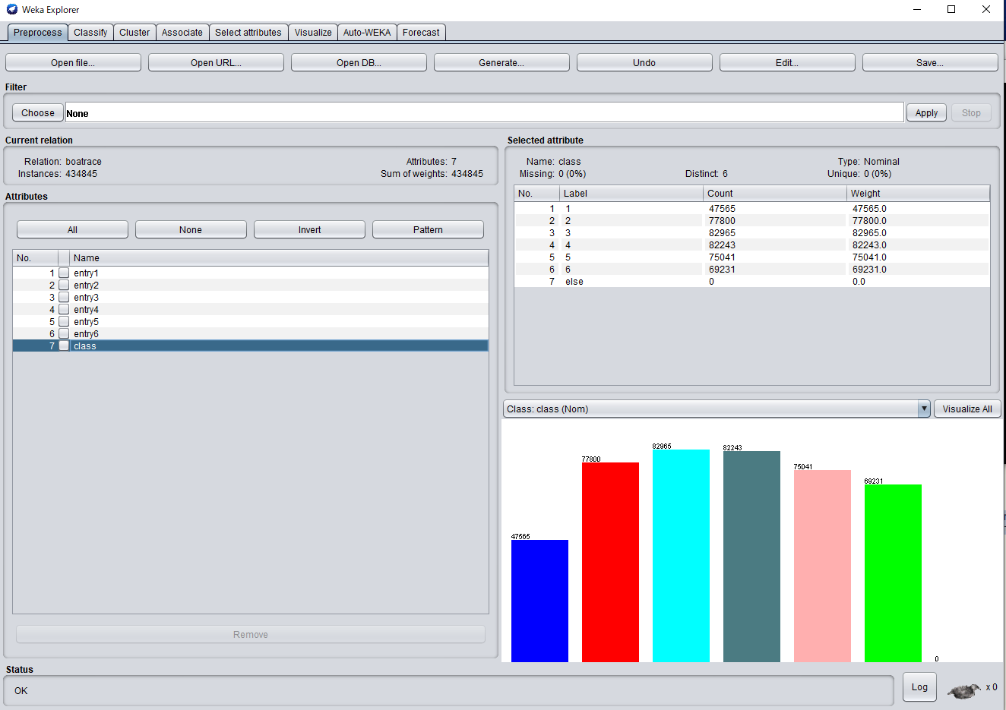
1착 데이터 분포
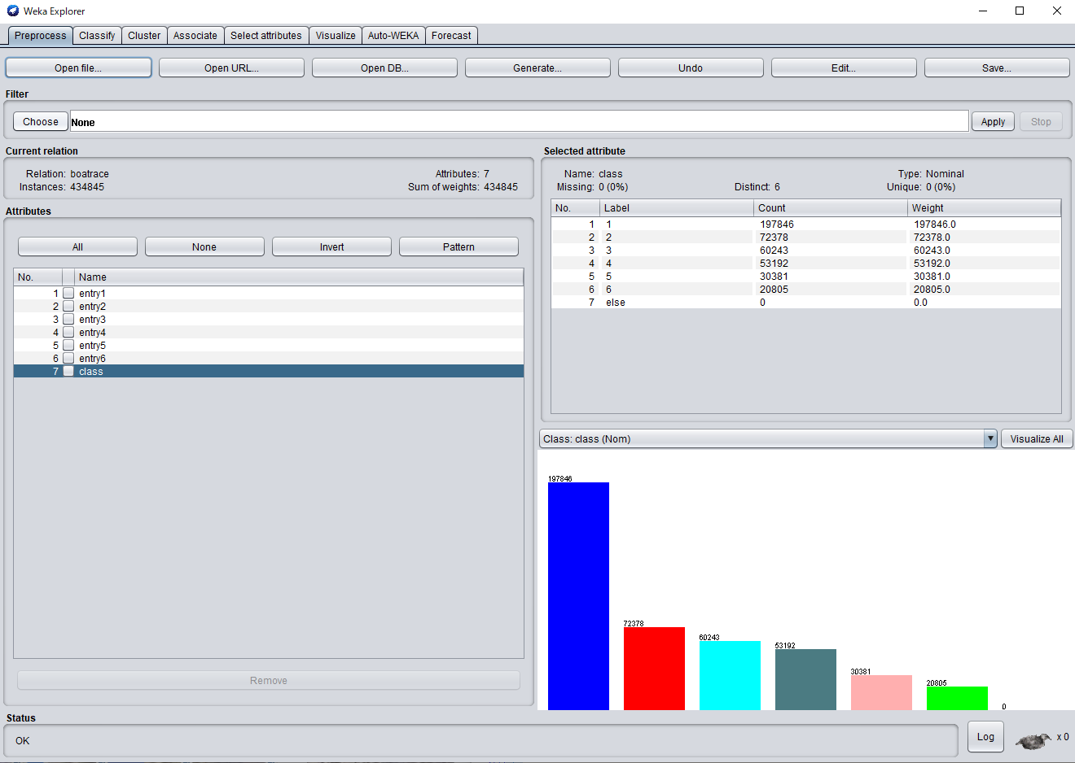

2착 데이터 분포
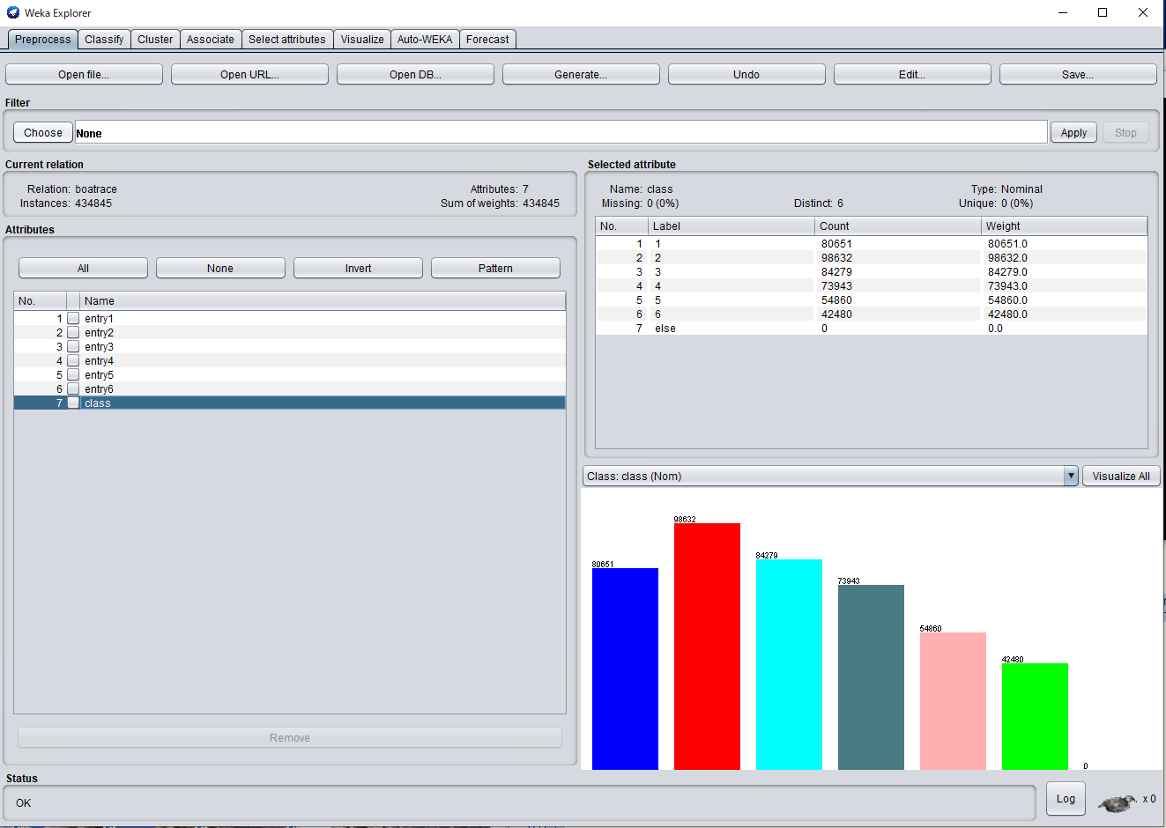

3착 데이터 분포

